Reference Points
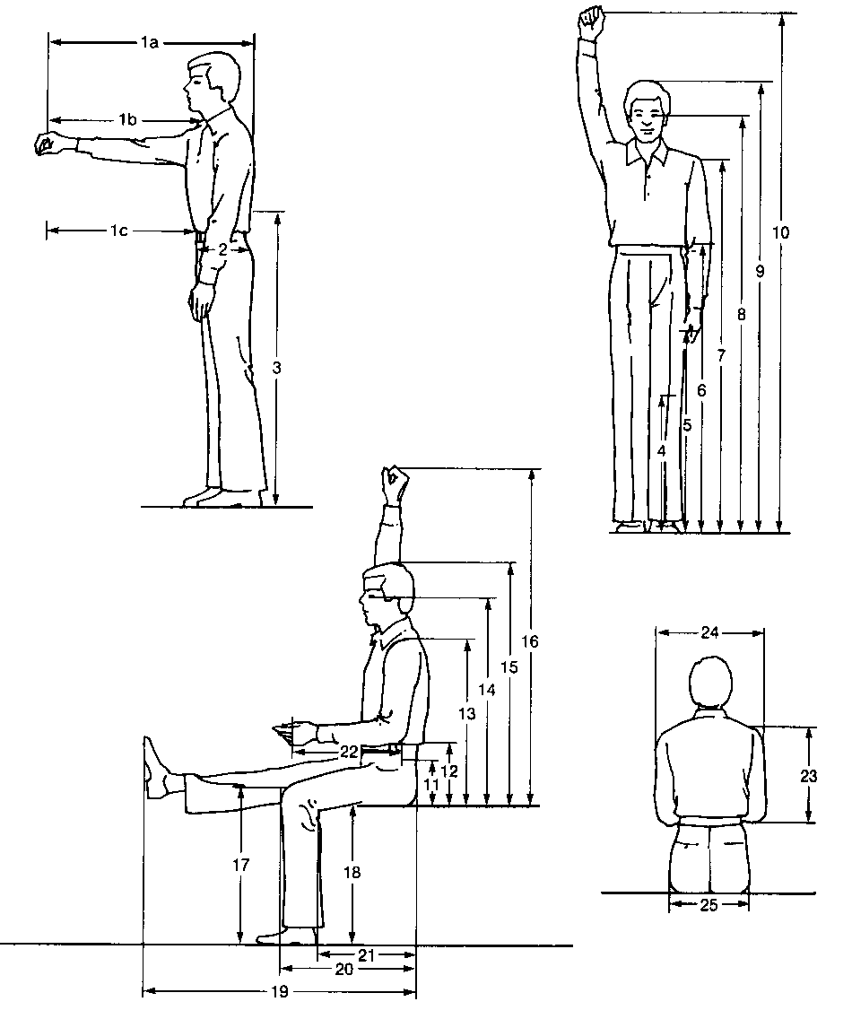
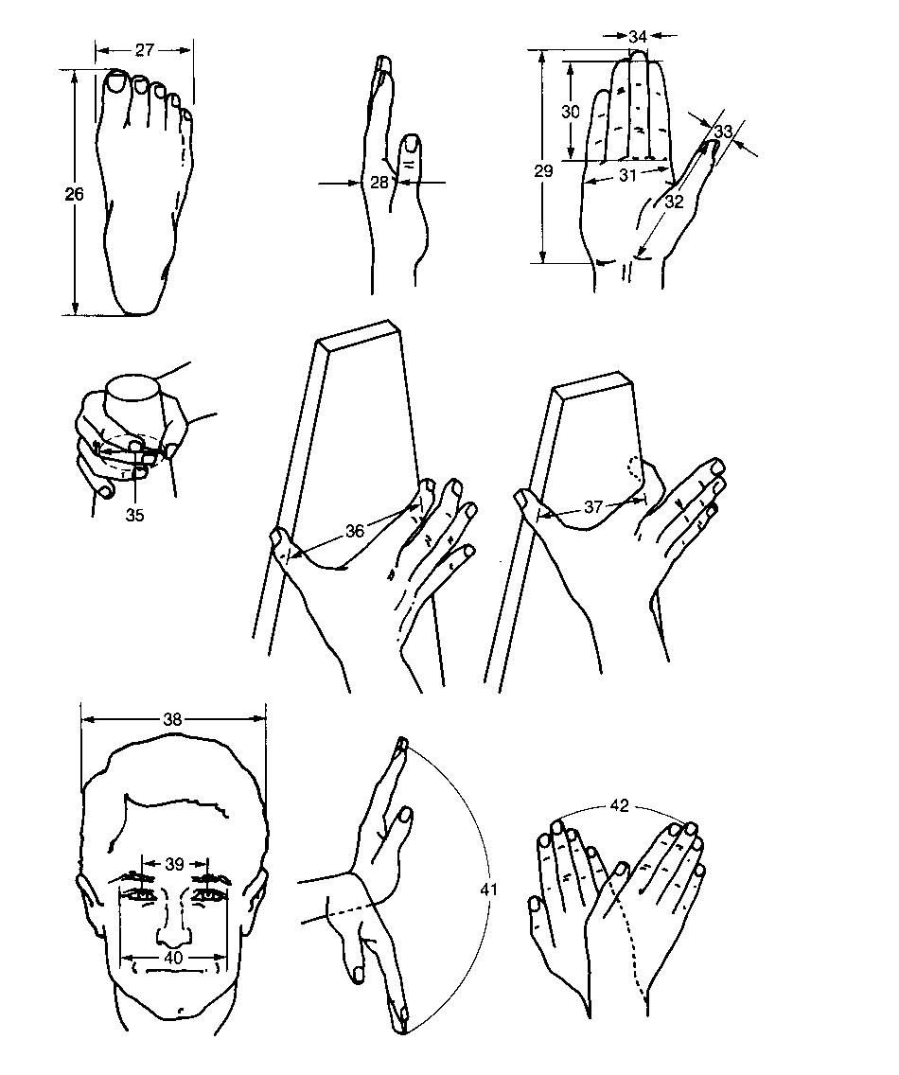
Location References
Information from Ergonomic Design for People at Work, Vol 1
pp 299-310

